1. Title Page
[Instacart Basket Analysis]

Project Name: Instacart Basket Analysis
Date: October 23, 2023
Analyst Name: Nupur Parikh

Contents:
Population Flow
Consistency checks
Wrangling steps
Column derivations
Visualizations
Recommendations

2. Population Flow
Title page

Population flow

Exclusion flag
Condition: max_order < 5
Obervations to be removed: rows with PII
Final total count of order_products_all: 30, 964, 564 rows and 33 columns

Orders_products_combined
Orders_products_merged
Orders_products_all

Total: 32, 404, 859
Total: 32, 434, 489
Total: 32, 404, 859

1.) The grey boxes in the first row of the population flow represent the original data sets as they were when you downloaded them. In the Total fields you need to add the count of the rows when you imported the data set into Jupyter.
2.) The second row of boxes (coloured) represents the data sets after you manipulated them, e.g., removed missing values and duplicates. In the Total fields you need to add the count of the rows after conducting these operations. This offers a visual oveview of how the data flows throughout the data consistency checks.
3.) The third row, where also the arrows are coloured, represents the merges you performed between the datasets. In the Total fields you need to add the count of the rows in the merged datasets, so that you end up with the final dataset (in the red box). Keep in mind the final dataset should be without exclusions (based on the exclusion flag).

3. Consistency checks
 |  |  |  | Title page
Consistency checks

Dataset | Missing values | Missing values treatment | Duplicates
orders | There were 206,209 missing values in the 'days_since_prior_order column. | No action was taken. These values indicated new orders. | There were no duplicates found.
products | There were 16 missing values in the 'product_name' column. | The missing values were excluded, as I created a new dataframe without them. | There were 5 duplicates found and deleted.
orders_products_prior | There were no missing values found. | N/A | No duplicate values were found.
customers | There were 11, 259 missing values in the 'first_name' column. | Due to PII, the column was removed. | No duplicate values were found.

4. Wrangling steps
 |  |  |  | Title page
Wrangling steps

Columns dropped | Columns renamed | Columns' type changed | Comment/Reason
orders: eval_set |  |  | Unneccesary column for analysis
customers: First Name |  |  | A lot of missing values and PII
customers: Surnam |  |  | PII
 | customers: Gender changed to gender |  | Consistency with the other columns
 | customers: Age changed to age |  | Consistency with the other columns
 | customers: STATE changed to state |  | Consistency with the other columns
 | customers: n_dependents changed to number_of_dependents |  | For clarity
 | customers: fam_status changed to marital_status |  | For clarity
 |  | orders: user_id | Changed to string
 |  | orders: order_id | Changed to string

5. Column derivations
 |  |  |  | Title page

Column derivations and aggregations

In this tab you should add tables below that the frequences of flags/label variables that you produced after deriving them. NB: don't do this for continuous variables, only for flags.
Dataset | New column | Column/s it was derived from | Conditions
orders_products_merged | price_range | prices | Low-range= prices <5 Mid-range product= prices > 5 and <=15 High-range= prices >15
orders_products_merged | busiest_day | orders_day_of_week | Busiest day= 0 Least busy= 4 Regularly busy= any other result
orders_products_merged | busiest_days | orders_day_of_week | Busiest days= 0 or 1 Least busy= 4 or 3 Regularly busy= any other result
orders_products_merged_updated | busiest_period_of_day | order_hour_of_day | Most orders= 10, 11, 14, 15, 13, 12, 16, 9 Fewest orders= 21, 22, 23, 6, 0, 1, 5, 2, 4, 3 Average orders= any other result
orders_products_merged_updated | loyalty_flag | max_order | Loyal customer= max_order > 40 Regular customer= max_order > 10 and <= 40 New customer= max_order <=10
orders_products_merged_updated | spending_flag | average_price | Low spender= average price <10 High spender= average price >=10
orders_products_merged_updated | frequency_flag | median_prior_orders | Frequent customer= median_prior_orders >20 Regular customer= median_prior_orders >10 & <=20 Non-frequent customer= median_prior_orders <=10
orders_products_customers_merged | region | state | Northeast = ['Maine', 'New Hampshire', 'Vermont', 'Massachusetts', 'Rhode Island', 'Connecticut', 'New York', 'Pennsylvania', 'New Jersey'] Midwest = ['Wisconsin', 'Michigan', 'Illinois', 'Indiana', 'Ohio', 'North Dakota', 'South Dakota', 'Nebraska', 'Kansas', 'Minnesota', 'Iowa', 'Missouri'] South = ['Delaware', 'Maryland', 'District of Columbia', 'Virginia', 'West Virginia', 'North Carolina', 'South Carolina', 'Georgia', 'Florida', 'Kentucky', 'Tennessee', 'Mississippi', 'Alabama', 'Oklahoma', 'Texas', 'Arkansas', 'Louisiana'] West = ['Idaho', 'Montana', 'Wyoming', 'Nevada', 'Utah', 'Colorado', 'Arizona', 'New Mexico', 'Alaska', 'Washington', 'Oregon', 'California', 'Hawaii']
orders_products_customers_merged | activity_flag | max_order | High activity customer= max_order >= 5 Low activity customer= max order <5
orders_products_customers_merged | age_group | age | Young Adult= age >=18 & <=34 Middle-Aged= age >=35 & <=54 Senior= age >54
orders_products_customers_merged | income_level | income | Low income= income < 50000 Middle income= income >=50000 & <=100000 High income= income >100000
orders_products_customers_merged | family_status | number_of_dependents | Single Adult= marital_status is divorced/widowed, single, living with parents and siblings & number_of_dependents = 0 Young Parent= marital_status is divorced/widowed, single, living with parents and siblings & number_of_dependents > 0 Family= martial_status is married & number_of_dependents <=2 Big Family= marital_status is married & number_of_dependents >2

6. Visualizations
 |  |  | Title page

Visualisations

In this tab you should include all the visualtions from Exercises 4.9 and 4.10, alongside the questions from the project brief that they answer. Include any commentary on the relationship between different variables.

1. The sales team needs to know what the busiest days of the week and hours of the day are (i.e., the days and times with the most orders) in order to schedule ads at times when there are fewer orders.

 |  | Busiest Days of the Week
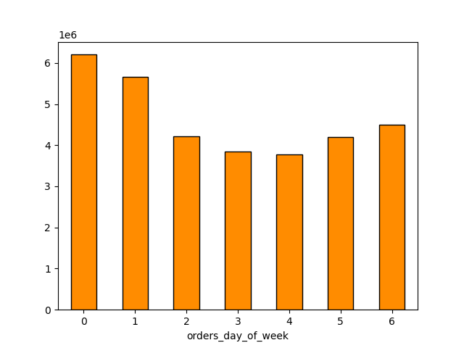



 | vvvvvvvvvvvvvvvvvvvvvvvvvvvvvvvvvvvvv

 | This graph showcases the busiest, and least busiest, days of the week. Saturday and Sunday |  | This graph depicts the busiest hours of the day. It shows that the busiest time of day is between 10 am and 4 pm,
 | are the two busiest days, which makes sense considering the weekend is when most people |  | with the peak hour being 10 am.
 | have time to shop or need groceries.

2. They also want to know whether there are particular times of the day when people spend the most money, as this might inform the type of products they advertise at these times.

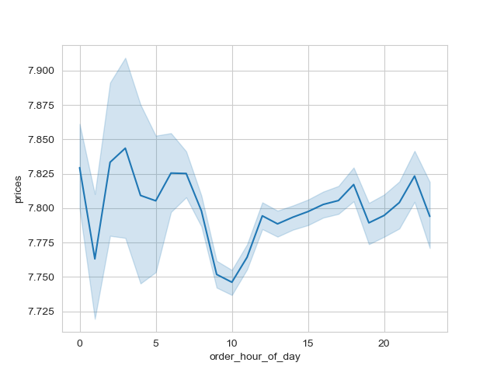

 | Ironically, the most money is spent between 2 am and 10 am, despite that being a time when there are less orders. The overall expenditure seems to remain the same throughout the day.

3. Instacart has a lot of products with different price tags. Marketing and sales want to use simpler price range groupings to help direct their efforts.

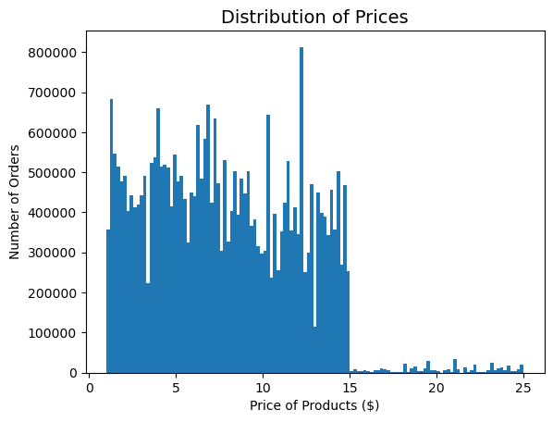
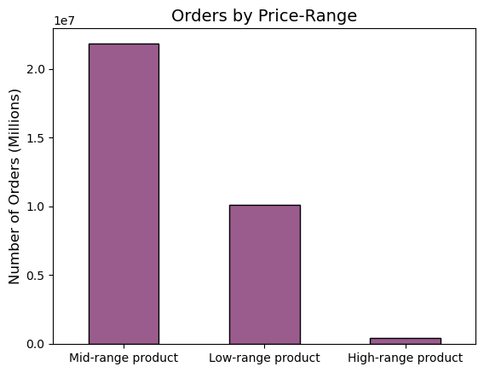

 | This chart shows the number of orders per price of the product. Most of the orders were made for |  | This chart shows the number of orders per price-range. The most ordered products
 | products $15 and under. After $15, the number of orders drastically decrease. |  | were mid-range products, which ranged between $5 and $15.

4. Are there certain types of products that are more popular than others? The marketing and sales teams want to know which departments have the highest frequency of product orders

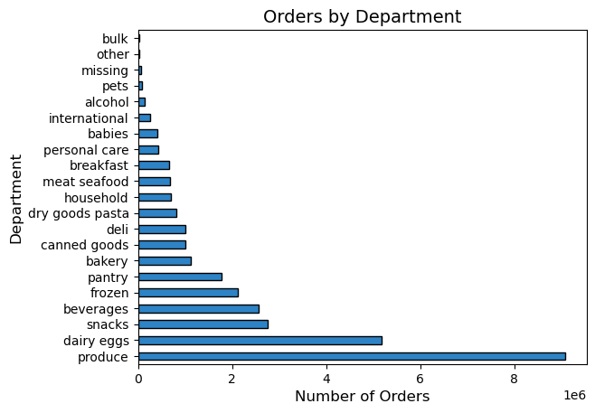

 | This chart shows the departments and the orders they receive. The produce department is the most
 | popular department, followed by dairy/eggs.

5. What's the distribution among users in regards to their brand loyalty (i.e. how often do they return to instacart)?

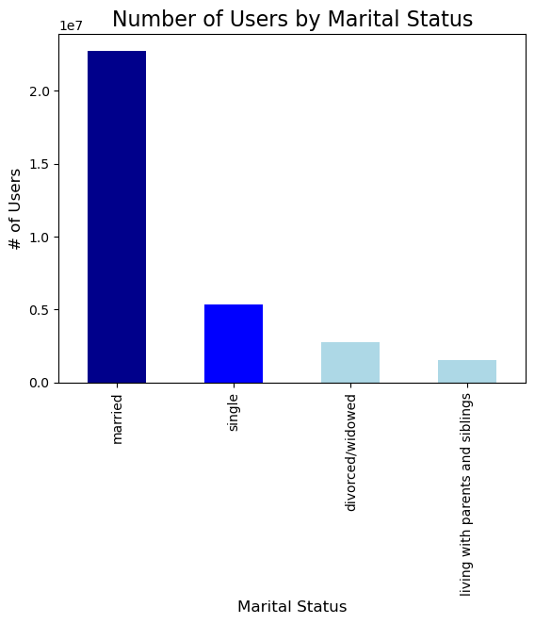

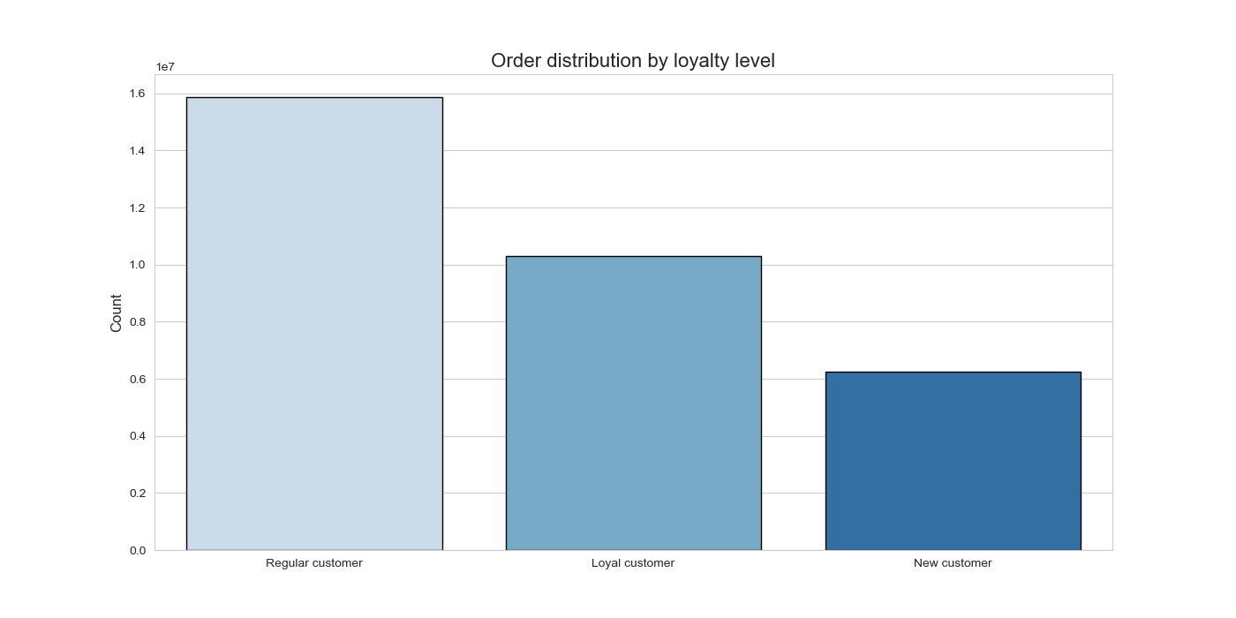

 | This chart shows the loyalty level and the distribution per loyalty level. Regular customers have the most orders, |  |  | This chart shows customer loyalty level based on the marital status. The bar graph
 | which are customers with between 10 and 40 orders. |  |  | depicts that married people are the most loyal customer base.

6. . Are there differences in ordering habits based on a customer's region?

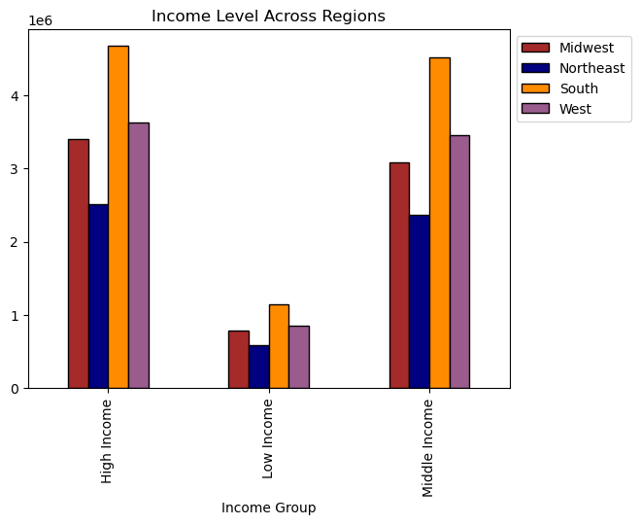
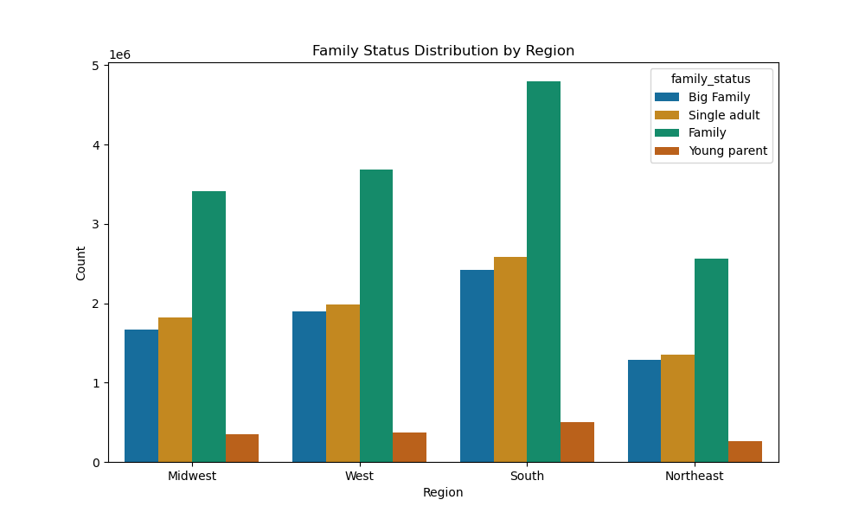

 | Here, the distribution of orders based on family status per region is showed. The Southern region has the |  |  | This graph shows that no matter the income group, the southern region still has the most orders.
 | most orders, with families of married parents and 2 or less dependents having the most orders for all regions. |  |  | The most orders also come from those with high income (>100000). Middle income is still very close
 |  |  |  | in terms of ordering habits.

7. Is there a connection between age and family status in terms of ordering habits?

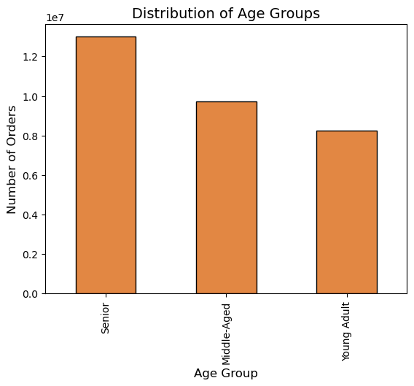
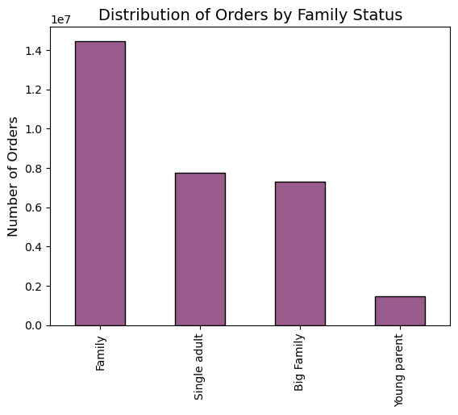

 | Seniors have the highest amount of orders, with young adults having the least amount. |  |  | Families with married parents and that have 2 or less dependents have the highest orders
 | This makes sense, as the young adults have people in their 20's and they would have less |  |  | while young parents have the least. This makes sense, since young parents have less money
 | money to spend. |  |  | and have to support themselves and their dependent(s), so they can't spend as much money
 |  |  |  | on orders.

8. What differences can you find in ordering habits of different customer profiles? Consider the price of orders, the frequency of orders, the products customers are ordering, and anything else you can think of.

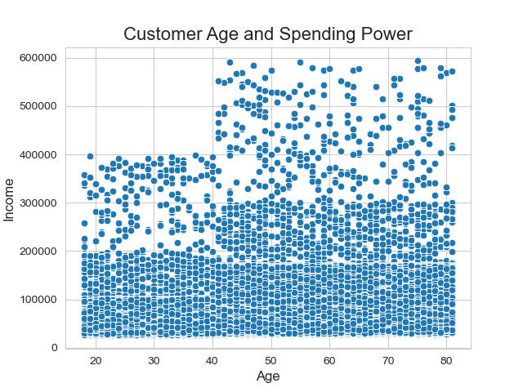
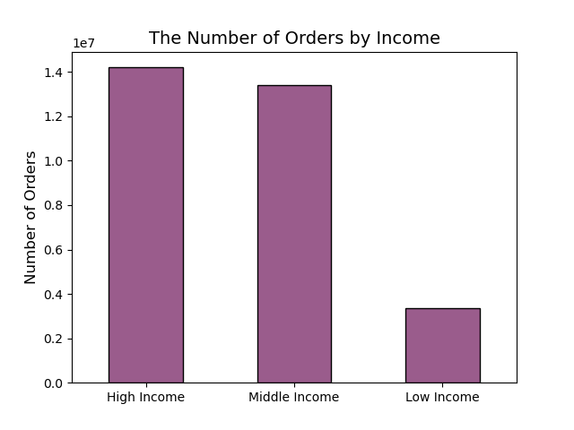

 | While the scatterplot shows that most people of all ages are situated below the |  |  | This graph shows that the number of orders based on incom does differ, as there is a
 | 200000 mark for income, most of the customer base's spending power comes from people |  |  | large gap between orders from high income and middle income groups to low income
 | 40+. This makes sense since 40 and over is ususally families are established and settled. |  |  | groups. High income and middle income groups are close in the numver of orders.

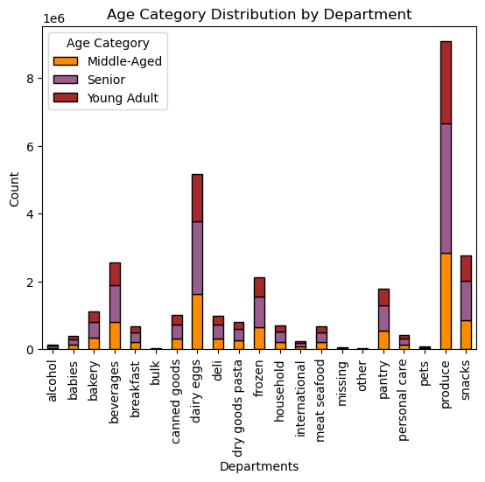
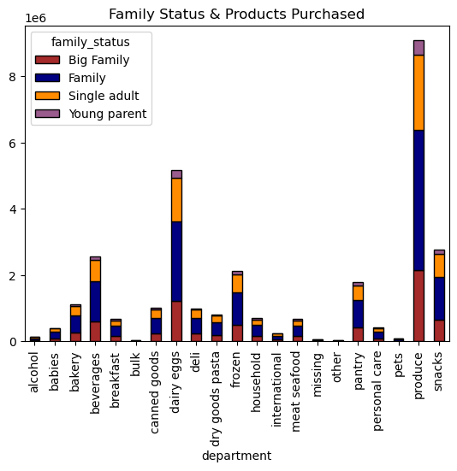

 |  |  | This chart shows the different age groups and the amount of products they purchase per department.
 | This chart shows family status and the amount of products they purchase per department. |  | It depicts that seniors take up most of the orders for each department, and the distribution is similar
 | Families tend to buy the most from produce, and they make up most of the orders from |  | for each department.
 | other departments as well.

7. Recommendations
 |  | Title page

Recommendations

In this tab you should include any recommendations you would made to Instcart in terms of their marketing strategy based on the questions posed in the brief. Every key question has been covered in the Tasks of the Exercises - here you need to add an item - a visualisation or table/crosstable that is showing the answer in the data, acompanied by a comment from you. Please, list the questions below and add the answer underneath.

Question | Answer |  | Suggestion

Key Question 1
The sales team needs to know what the busiest days of the week and hours of the day are (i.e., the days and times with the most orders) in order to schedule ads at times when there are fewer orders.
The orders get placed on the weekends, when people have more time to shop. The peak hours 10am-11 am, staying busy until about 4 pm.
I suggest conducting ads and promotions targeting slower times of day, such as discounts and speedier delivery times. Additionally, to optimize the user experience, consider offering personalized recommendations and promotions that align with the identified shopping patterns, such as promoting weekend deals and targeting marketing efforts between 9 a.m. and 5 p.m.

Key Question 2

They also want to know whether there are particular times of the day when people spend the most money, as this might inform the type of products they advertise at these times.
The most money is spent between 2 am and 10 am, despite that being a time when there are less orders. The overall expenditure seems to remain the same throughout the day, ranging from 7.75 to 7.85.
The sales team should promote sales on higher-priced items before 7 a.m. and during late afternoons when most money is spent. I also recommend a reward incentive for ordering a high amount for each order, promoting more significant additional dollar purchases with incentives like free or express delivery.

Key Question 3

Instacart has a lot of products with different price tags. Marketing and sales want to use simpler price range groupings to help direct their efforts.
Most of the products are $15 and under. The mid-range products consist of almost 95% of the products available. The rest of the products are under $5, the low-range items, or above $15, which are the high-range products. Items priced between $15 and $5 make up the mid-range products. Most purchases are towards mid-range products, a little over 60%, while low-range is a little over 30%. High-range products are the lowest-selling products.
Promoting the low range and high range products, or creating a deal to throw in a cheap product if another low-range product is bought might help push lower-selling items.

Key Question 4

Are there certain types of products that are more popular than others? The marketing and sales teams want to know which departments have the highest frequency of product orders.
Produce and dairy/eggs are the most popular departments, with snacks and beverages trailing behind.
Sending out coupons and deals promoting the most popular departments, such as buy one get one half off or free, or buy a snack and get a complimentary beverage, would be options to promote the most selling items.

Key Question 5

What’s the distribution among users in regards to their brand loyalty (i.e., how often do they return to Instacart)?
Most customers are new customers, but the customers that make up most of the orders and purchases are considered regular customers, whom make between 10 and 40 orders. The loyal customers have the lowest customer base, who have made over 40 orders through Instacart.
Creating incentives for newer customers would be a start. A promotion could be run that says that once they pass the ten orders mark, they get discount incentives if they make the order within 20 days. For regular customers, once they pass 40 orders, they earn more incentives for becoming loyal customers.

Key Question 6

Are there differences in ordering habits based on a customer's loyalty status?
Most orders come from regular customers, as they order more frequently in a 15-20 day span than other customers. Loyal customers don't order as frequently in a short time span, but rather over a longer period of time.
Incentivizing regular or new customers, with the first year being a lower-priced membership or offering promotions and deals to customers who buy frequently, could help keep customers.

Key Question 7

Are there differences in ordering habits based on a customer's region?
The South has the most orders of all the regions, followed by the West. Families with married parents and two children or less have the most orders by distribution. The least orders are from the Northeast and from young parents.
Running promotions and ads in the South since they bring in the most money. Additionally, promoting ads in the Northeast, such as discounted prices, will help to boost sales there. Promotions geared toward young parents, such as discounts or sales on baby products or snacks, could help boosting their sales as well.

Key Question 8

Families and seniors are the customers that order the most through instacart, and young adults and young parents order the least.
Running promotions geared towards groups that have less order frequency should be prioritized, so having deals on baby products or snacks or beverages, and even offering free shipping or speedier delivery might benefit the people that order less.
Is there a connection between age and family status in terms of ordering habits?

Key Question 9

Since most of the users are older and have families, pushing ads and promotions towards that populatin would be beneficial. However, pushing deals towards people with middle or low income, especially young parents and adults, would provide them a bit of relief if they are not buying due to financial issues.
What different classifications does the demographic information suggest?
Most users make a regular income between $52k - $125k, half of them have large families with two or more children, and many are frequent users of our service. We have an equal amount of female and male users. The same can be said about those with one or no children and our regular and non-frequent customers.

Key Question 10

What differences can you find in ordering habits of different customer profiles?
Age range has a fairly even distribution across departments. Young parents have the smallest distribution across departments. Across all customer profiles, the departments' popularity remains consistent. Produce, dairy/eggs, snacks, and beverages are the most popular departments.
Pushing deals on the popular departments will cause other users who may not frequently purchase items to consider buying those items, such as buy one get one free sales or free delivery if you buy a certain amount of after a certain amount of orders. Additionally, pushing discounts, promos, and incentives when customers hit the ten orders mark and forty orders mark when customer loyalty status changes.

